Bug report
BUG REPORT

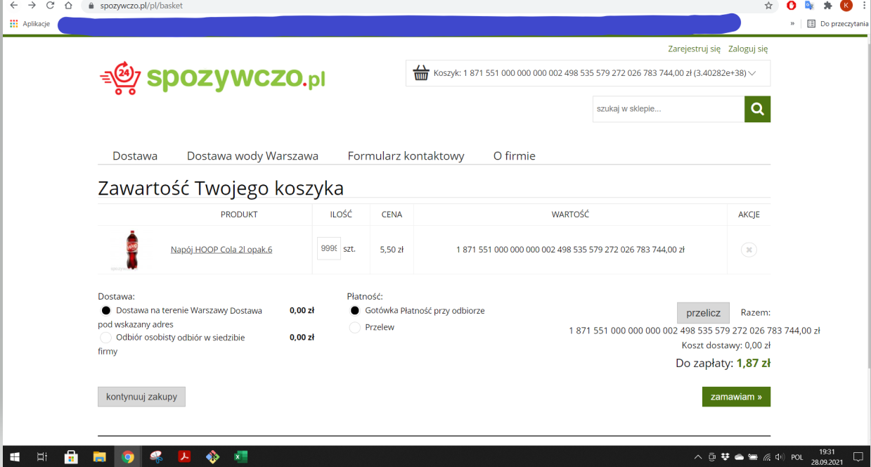
Title | System allows to add an irreal number of items
Environment | web: https://spozywczo.pl/ Google Chrome v. 93.0.4577.82 Windows 10
Steps to Reproduce | Go to the page https://spozywczo.pl/
 | Choose any item to buy and click Add to cart
 | Go to the cart and change the number of items to 99999999999999999999999
Expected Result | Pop-up "Incorrect item number"
Actual Result | The page allows adding a huge number of items, even if there is no more items in the stock, and the price isn't correct
Priority | Medium

